Input Mark
TMA/GBA/ECA Submission | Mark | * Please input your marks in the grey cells
1 | 69
2 | 66 | # of Submissions | 52
3 | 67 | Mean | 67.87
4 | 68 | Std | 8.33
5 | 67
6 |  | Honours | Letter Grade | GPV | Range | %
7 | 70 | 1st Class | A+ | 5.0 | 85-100 | 0
8 | 61 | 1st Class | A | 5.0 | 80-84 | 3.8%
9 | 65 | 1st Class | A- | 4.5 | 75-79 | 17.3%
10 | 66 | 2nd Upper | B+ | 4.0 | 70-74 | 25.0%
11 | 77 | 2nd Lower | B | 3.5 | 65-69 | 25.0%
12 | 61 | 3rd Class | B- | 3.0 | 60-64 | 19.2%
13 | 67 | Pass | C+ | 2.5 | 55-59 | 3.8%
14 | 79 | Pass | C | 2.0 | 50-54 | 3.8%
15 | 77 | Fail | D+ | 1.5 | 45-49 | 0.0%
16 | 62 | Fail | D | 1.0 | 40-44 | 0.0%
17 | 58 | Fail | F | 0.0 | <40 | 1.9%
18 | 66
Percentage
19 | 66
New for Jan2020 semester, please read!
20 | 81
21 | 76
22 | 71
23 | 68
24 | 70
25 | 70
26 | 77
27 | 72
28 | 61
29 | 60
30 | 61
31 | 71
32 | 38
33 | 63
Each marker must check ALL Turnitin reports, and provide a short explanation of finding/action for only TMA or GBA assignment with unusually high Turnitin scores. Note that there is NO fixed threshold to define a high or low Turnitin score, as it depends on the characteristics of the assignment (e.g., length of the report, nature of the assignment, etc.).
For example, if most students have a score less than 20%, and now you see a report with 35% Turnitin score, you should explain why the score is so different. Some possible finding/actions include:
(1) student copied assignment questions into the report.
(2j student has a set of standard references commonly used by others
(3) student has a large chunk of text cited using verbatim quote
(4) student included an article as supplement of assignment
(5) student did not use good paraphrasing technique, and you has penalised the work with mark deduction
(6) suspected plagiarism case. You have submitted it to the exam department for investigation.
Format for reporting cases with high Turnitin score
Student name, pi number, Turnitin score, Action/finding
Course coordinator will need to verify marker submission. HoP will do random sampling of such cases to check.
34 | 72
35 | 64
36 | 70
37 | 72
38 | 50
39
40 | 81
41
42 | 62
43 | 50
44 | 58
45 | 72
46 | 72
47 | 74
48 | 76
49 | 62
50 | 79
51 | 68
52 | 73
53 | 78
54
55 | 66
56 | 79
57
58
59
60

Sheet2
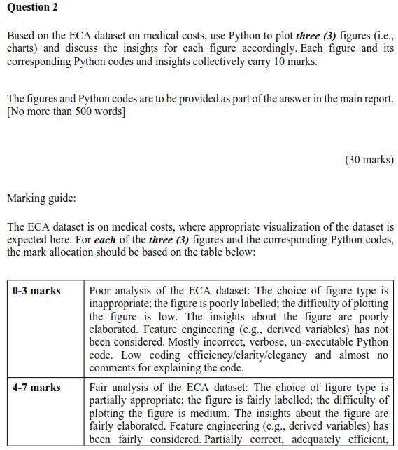
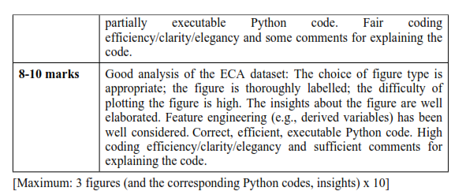
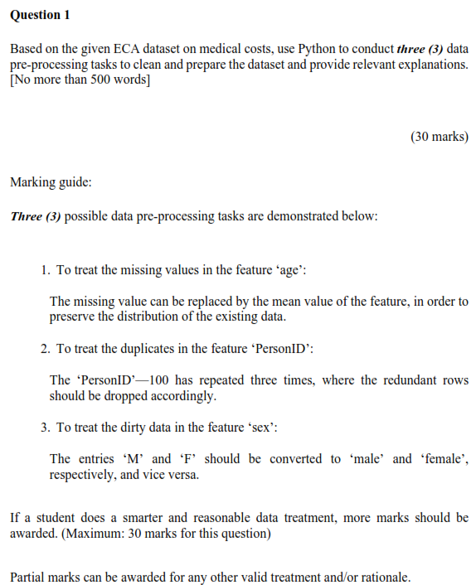
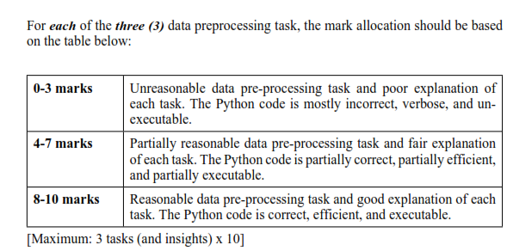
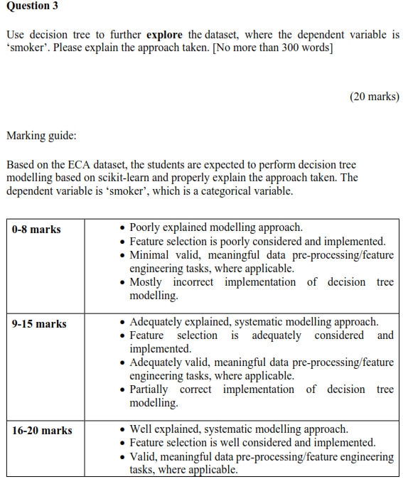
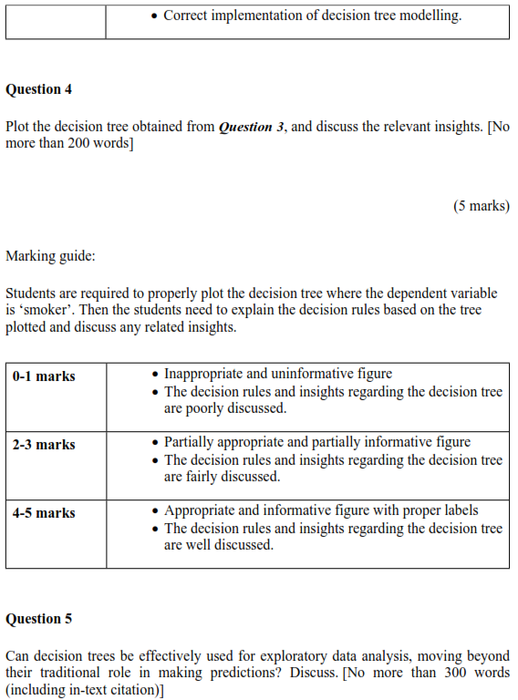
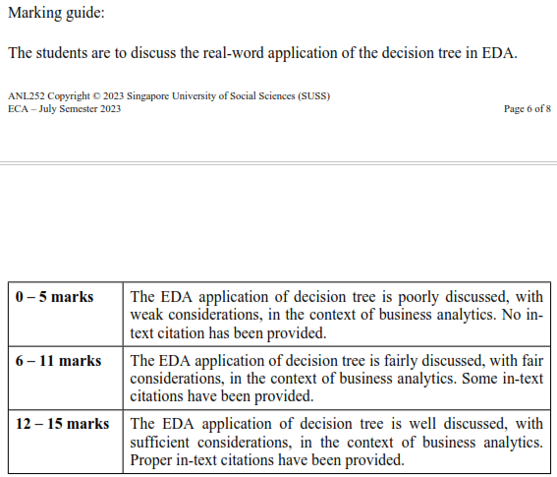
Student | 1 | 2 | 3 | 4 | 5 | Total
 | 30 | 30 | 20 | 5 | 15 | 100
ADAM ABDULLAH ANG | 22 | 22 | 15 | 3 | 7 | 69
AILN AIK XIU JING | 18 | 23 | 13 | 2 | 10 | 66
ANG KIA LOKE | 20 | 20 | 15 | 4 | 8 | 67
ANG XIU ZHI | 20 | 25 | 14 | 2 | 7 | 68
BIN ISHAK HILMI | 18 | 25 | 14 | 3 | 7 | 67
CHEN SHI YUN | 20 | 25 | 13 | 2 | 10 | 70
CHUA QI YING | 20 | 25 | 14 | 3 | 8 | 70
CHUA YONG HUA | 18 | 18 | 12 | 3 | 10 | 61
CHUA YU ZHE | 18 | 22 | 15 | 0 | 10 | 65
DARRION GOH ING HEAN | 18 | 22 | 15 | 4 | 7 | 66
DON LEE YANG | 22 | 25 | 14 | 4 | 12 | 77
GOH JIA YI SAMUEL | 10 | 25 | 14 | 2 | 10 | 61
GOH JUN JIE | 18 | 25 | 13 | 2 | 9 | 67
GOH QING FENG | 25 | 25 | 15 | 4 | 10 | 79
GWENDOLYN YEO ZI HUI (YANG ZIHUI) | 25 | 25 | 14 | 3 | 10 | 77
HAMREESH S/O ARIVALAGAN | 21 | 18 | 13 | 2 | 8 | 62
LAU WEI LIAN (LIU WEILIAN) | 22 | 18 | 10 | 0 | 8 | 58
LEE JAY HOON JENNY | 20 | 23 | 13 | 2 | 8 | 66
LEE WEI XUAN | 18 | 25 | 13 | 2 | 8 | 66
LIM KAI WEN | 26 | 25 | 14 | 4 | 12 | 81
LIM SOON MENG | 25 | 25 | 15 | 4 | 7 | 76
LIU ANGELA QIYU | 20 | 25 | 15 | 3 | 8 | 71
LOKE KUM WAI (LU JINWEI) | 17 | 25 | 13 | 4 | 9 | 68
MOHAMMAD DANIAL BIN MOHAMMAD ISMAIL | 22 | 24 | 15 | 3 | 6 | 70
MUHAMMAD BIN OSMAN | 18 | 25 | 14 | 2 | 11 | 70
MUHAMMAD FITHRI BIN FADILIAH | 22 | 25 | 16 | 4 | 10 | 77
MUHAMMAD YUSUF BIN ZAINUDIN | 18 | 25 | 15 | 5 | 9 | 72
NAOMI TINA GAN MIN | 18 | 18 | 13 | 2 | 10 | 61
NG LING YING | 18 | 25 | 8 | 0 | 9 | 60
NG XUE ER, ARIEL | 22 | 25 | 14 | 0 | 0 | 61
NG YI JIAN | 20 | 25 | 14 | 4 | 8 | 71
NUR AMEERAH BINTE NASSIRUDIN | 18 | 10 | 0 | 0 | 10 | 38
NUR FAZILLAH BINTE ABDUL RAHMAN | 17 | 25 | 13 | 0 | 8 | 63
NUR HAMIZAH BINTE RIDWAN | 20 | 25 | 13 | 4 | 10 | 72
NUR RUZAINATUL HUSNAA BINTE ABDUL JALIL | 18 | 25 | 14 | 0 | 7 | 64
ONG CHIEW LING | 22 | 25 | 14 | 0 | 9 | 70
ONG ISAAC CHRISTOPHER WEN XUAN | 19 | 25 | 15 | 2 | 11 | 72
ONG LEE ZHU | 20 | 20 | 10 | 0 | 0 | 50
ONG MING DA | 0 | 0 | 0 | 0 | 0 | 0
ONG SHENG DA | 25 | 25 | 15 | 4 | 12 | 81
PANG SHI DA LAWRENCE | 0 | 0 | 0 | 0 | 0 | 0
PEREIRA KATHLYN THERESE | 20 | 22 | 12 | 0 | 8 | 62
POH SZE YING | 20 | 23 | 0 | 0 | 7 | 50
RIS NURISH ISZRYFINNA BINTE MOHAMED ISMAIL | 17 | 18 | 12 | 4 | 7 | 58
SHAFINA BINTE HAZMAN | 18 | 25 | 15 | 4 | 10 | 72
TAN BEVERLYN | 27 | 22 | 12 | 2 | 9 | 72
TAN MEI YI RACHEL | 20 | 25 | 15 | 4 | 10 | 74
TAN PEI LING | 25 | 25 | 14 | 4 | 8 | 76
TAN WEE HUAT | 20 | 22 | 8 | 2 | 10 | 62
TAN ZEKAI, MARCUS | 27 | 25 | 15 | 4 | 8 | 79
TEA ICH NGY | 20 | 25 | 15 | 2 | 6 | 68
TEH YI LIN | 22 | 25 | 15 | 2 | 9 | 73
VILLANUEVA VAN HALLY BORINES | 25 | 25 | 15 | 4 | 9 | 78
WONG KEE MOI | 0 | 0 | 0 | 0 | 0 | 0
YEO JIA JIE, JACKSON | 20 | 25 | 12 | 1 | 8 | 66
YIEW SHER KYM LYNETTE | 25 | 25 | 15 | 4 | 10 | 79

